Introduction
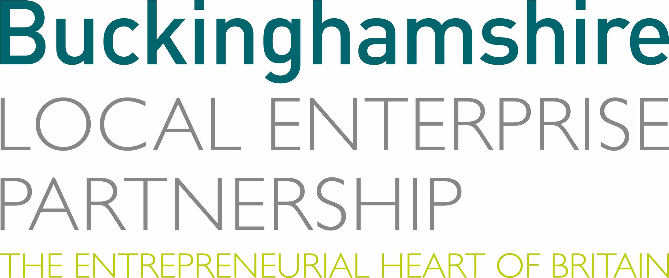
BUCKINGHAMSHIRE LOCAL ENTERPRISE PARTNERSHIP

Open Call for Projects - March 2020

Productivity Investment Proposals

Please complete all the yellow boxes on this application form

